Feuil1
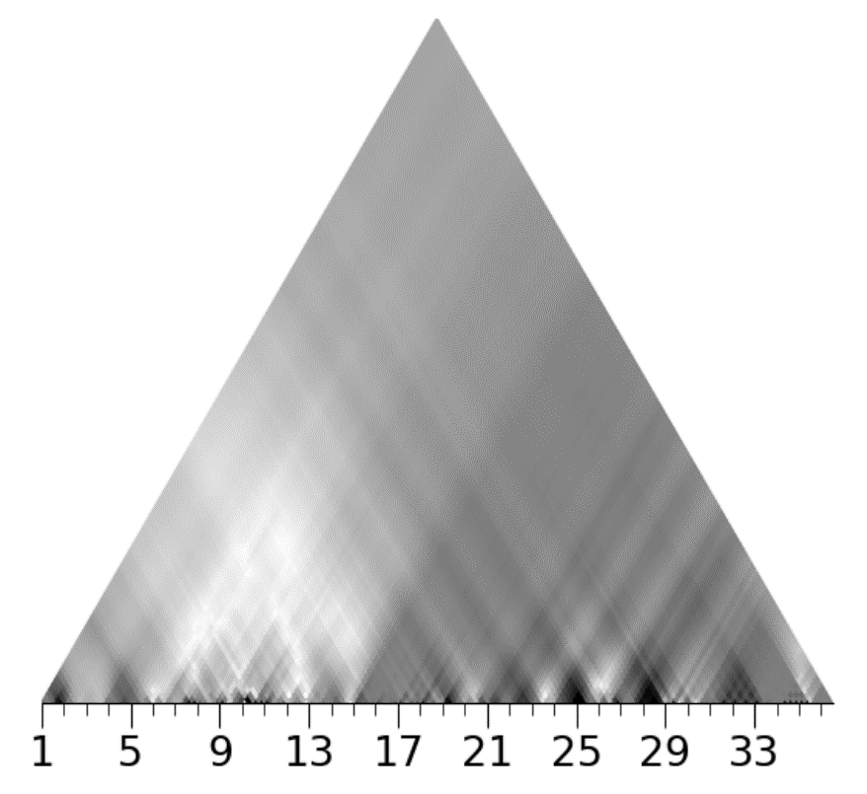
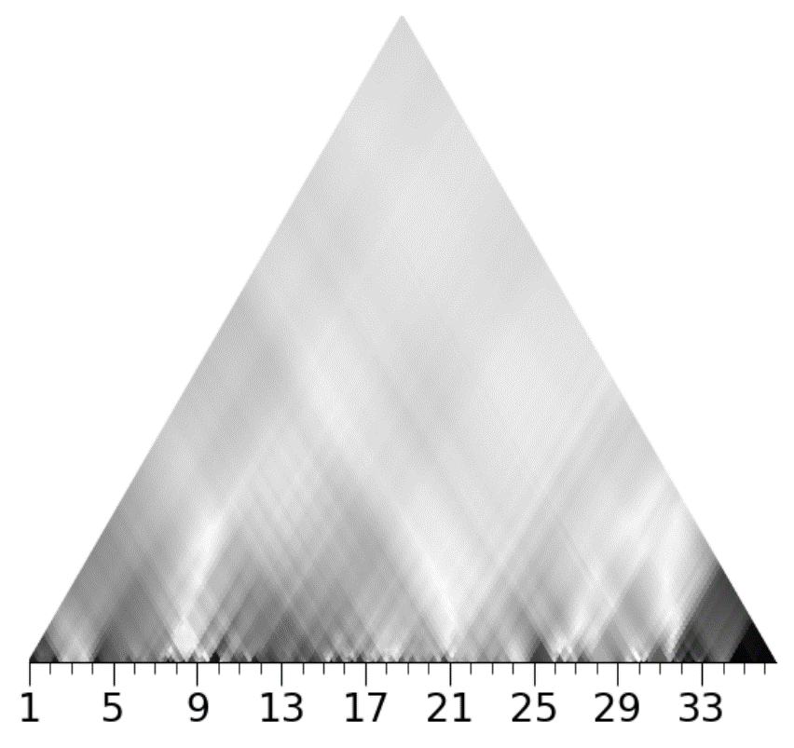
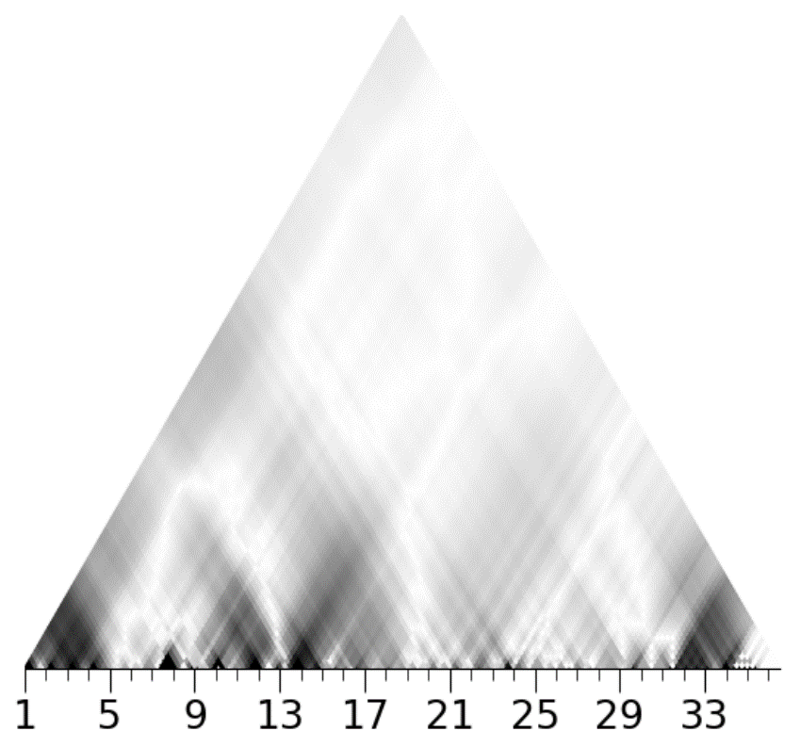
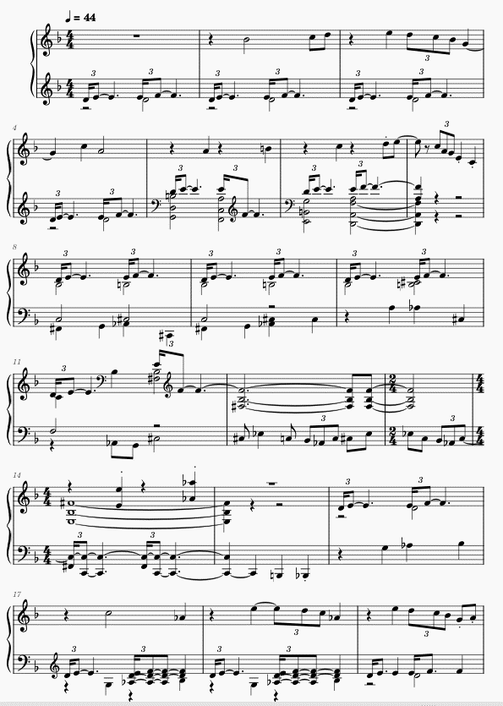
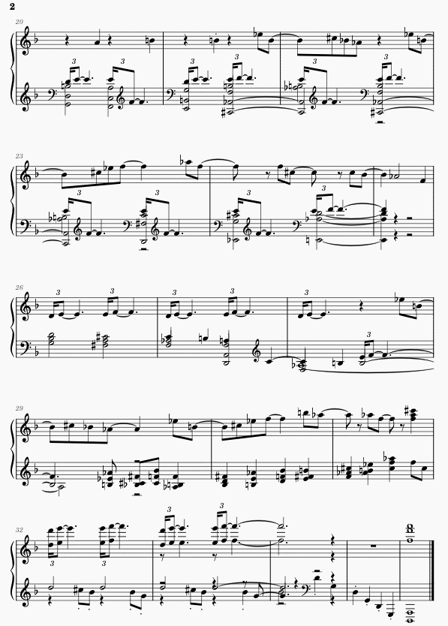
A | 1 | 2 | 3 | 4 | 5 | 6 | 7 | 8 | 9 | 10 | 11 | 12 | 13 | 14 | 15
 | D minor scale (diatonic) |  |  |  | C major scale for 3 bars, but the 3 notes |  |  | Gb major scale for 4 bars, but the 3 notes motive in the |  |  |  | Gb Lydian mode |  | C whole tone scale
 | Harmonized with a D pedal |  |  |  | motive in the D minor scale is still there |  |  | D minor scale is still present |  |  |  | The 3 notes motive is gone
 | 3 notes motive in the D minor scale |  |  |  | Brighter coeffs are 3rd and 5th
 | 1st and 6th coefficient are the most resonant |  |  |  |  |  | Very bright | During these 4 bars, all coefficients are quite resonant, |  |  |  |  |  | 6th coefficient is clearly the
 | which is odd, we expect the 5th one |  |  |  |  |  | triangle in the | with lots of different colors |  |  |  | 5th coefficient is the most |  | most resonant, which is
 |  |  |  |  |  |  | 3rd and 6th coeff | Really hard to interpret |  |  |  | resonant which is expected |  | also expected

B | 16 | 17 | 18 | 19 | 20 | 21 | 22 | 23 | 24 | 25 | 26 | 27 | 28 | 29 | 30 | 31
 | F minor melodic scale |  |  |  | 3 layers : |  |  |  |  |  | 3 notes motive in the D minor scale |  |  | Diatonic melody (Gb Lydian mode)
 |  |  |  |  | Dominant seventh chords using notes of the Db octatonic scale |  |  |  |  |  | accompanied by chromatic minor triads |  |  | Minor and major triads
 |  |  |  |  | 3 notes motive in the D minor scale
 |  |  |  |  | Diatonic melody (Ab melodic minor scale)
 | Most resonant coeff are the 1st, the 4th and the 6th |  |  |  | Coefficients 3, 4 and 5 are the most resonant |  |  |  |  |  | Coefficients 3, 4 and 5 are the most |  |  | No coefficient is clearly resonant during
 | We expect the 5th to be more resonant |  |  |  |  |  |  |  |  |  | resonant |  |  | these bars, maybe the 4th
The prelude Des pas sur la neige (1910) is part of Claude Debussy's first book of Preludes. It is said to have been inspired by a painting of a snowy landscape (La neige à Louveciennes).
The piece is divided into 2 parts A (bars 1 to 15) and B (bars 16 to 31), and ends with a coda (bars 32 to 36). At first sight, the harmonic structure of the prelude seems to be very fragmented, as one can observe that it uses all twelve semi tones of the octave. In fact, Debussy combines differents scales (diatonic, octatonic, whole-tone) that share several common notes to construct the piece.
This is observable in the wavescapes plots : on the lower level, coefficients are very fragmented and discontinuous, especially the 5th. On a higher level, it is interesting to notice that the 5th coefficient is faded whereas the 4th coefficient is much more resonant. It makes sense since the octatonic scale contains the most notes among all the scales used by Debussy in the piece.

Coda | 32 | 33 | 34 | 35 | 36
 | Use of the Db octatonic but not using Ab and B
 | Minor chords

 | Every coeff except the 1st one are strongly resonant which is weird

 |  |  | 1 |  |  |  |  |  |  | 2 |  |  |  |  |  |  | 3
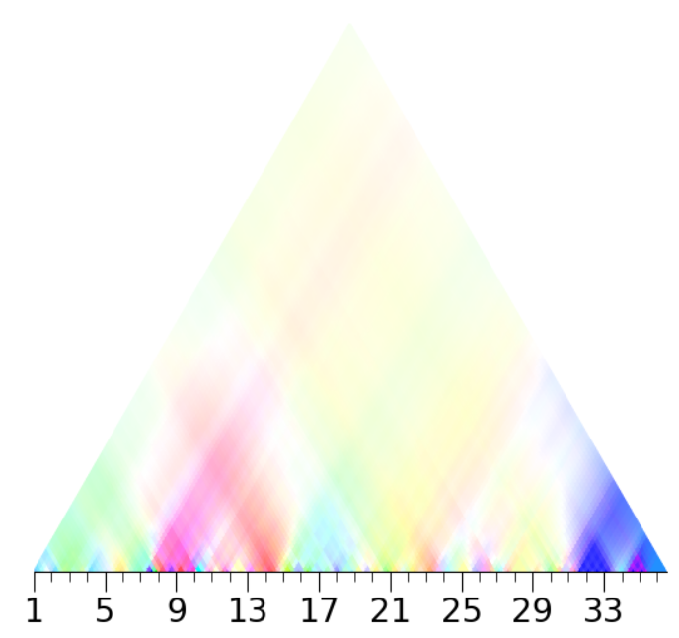
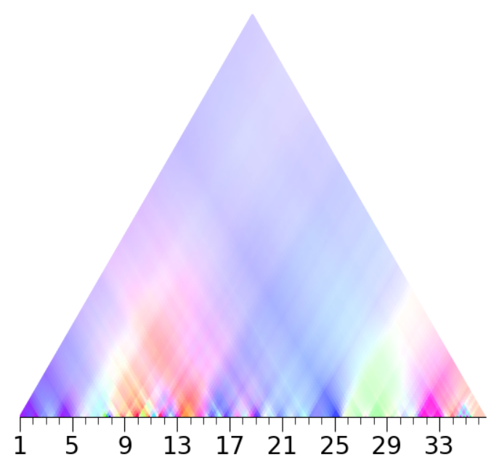
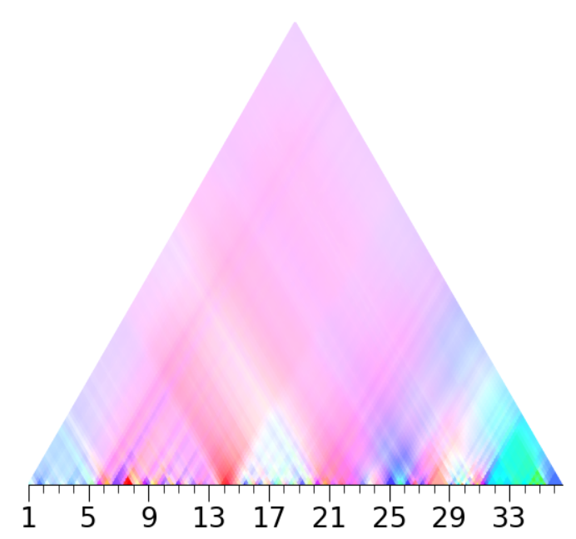

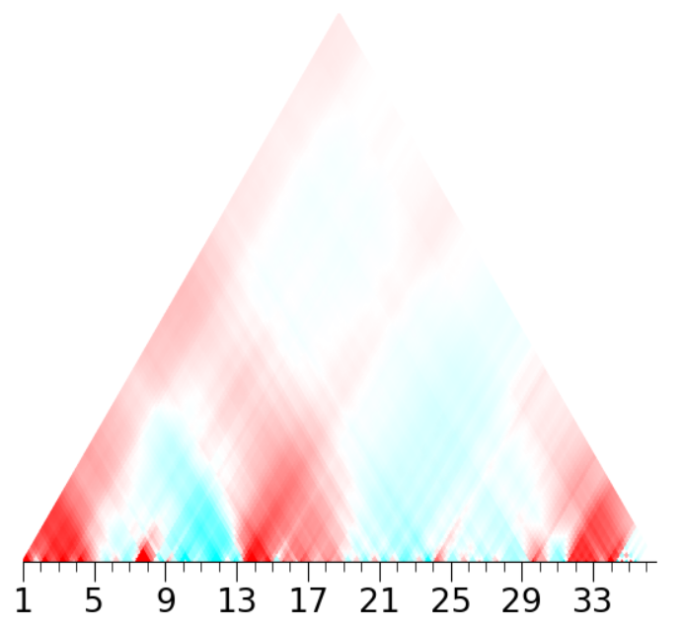
 |  |  | 4 |  |  |  |  |  |  |  | 5 |  |  |  |  |  |  | 6
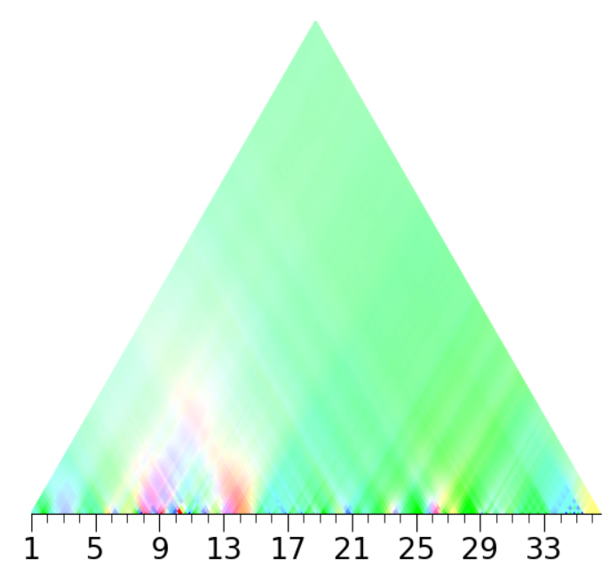
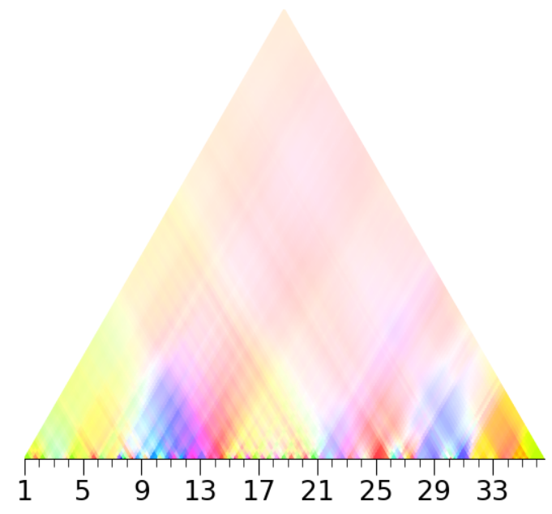

 |  |  | 1 |  |  |  |  |  |  | 2 |  |  |  |  |  |  | 3

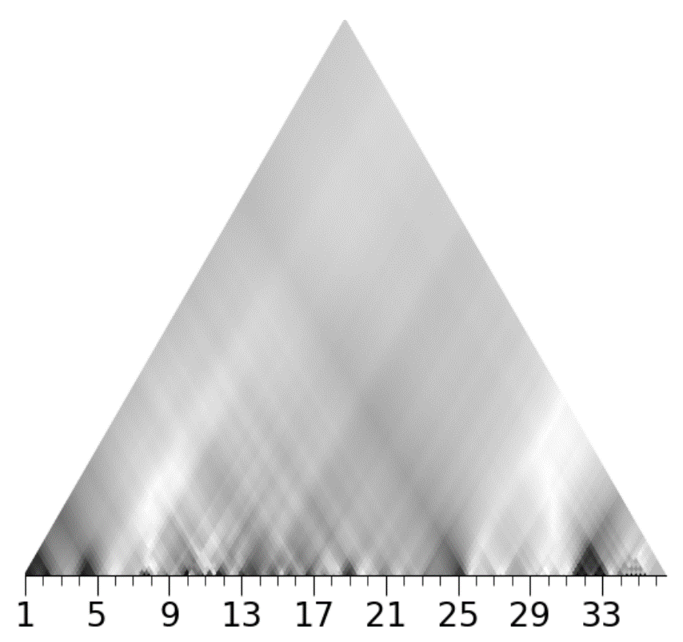
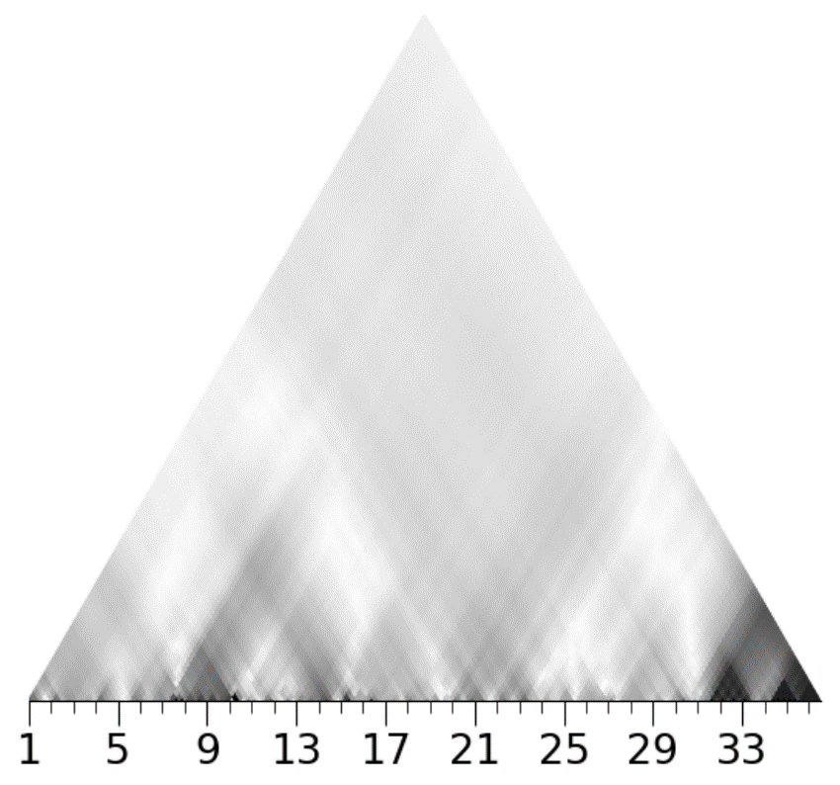
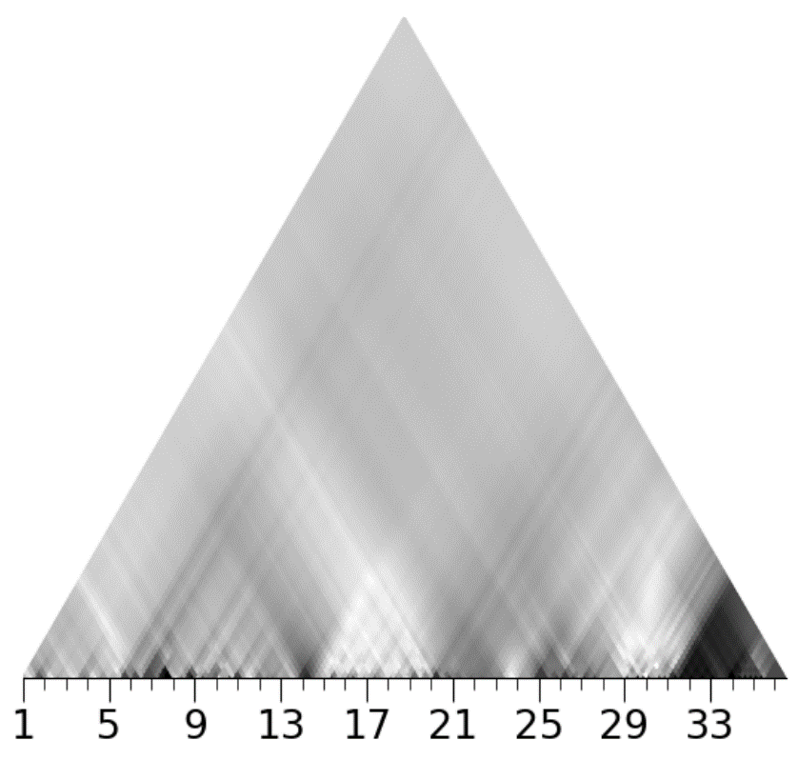

 |  |  | 4 |  |  |  |  |  |  | 5 |  |  |  |  |  |  | 6

